AD supplier (Groceries)
DATE | DATE | INV NO. | ITEM | QYT | PRICE | SUBTOTAL | TOTAL | BILLS
3-Mar-2026 | 3-Mar-2026 | ADS-222689 | TOMATOES PEELED MERKO | 18 | Rp100,000 | Rp1,800,000 | Rp2,010,000 | 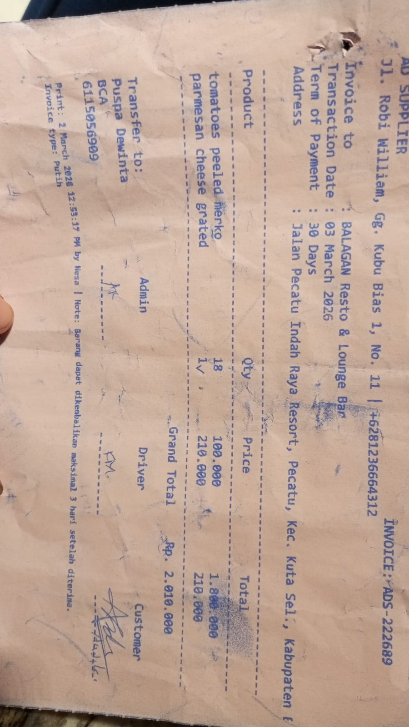
 |  |  | PARMESAN CHEESE GRATED | 1 | Rp210,000 | Rp210,000
3-Mar-2026 | 3-Mar-2026 | ADS-222690 | PARMESAN CHEESE GRATED | 1 | Rp210,000 | Rp210,000 | Rp210,000 | 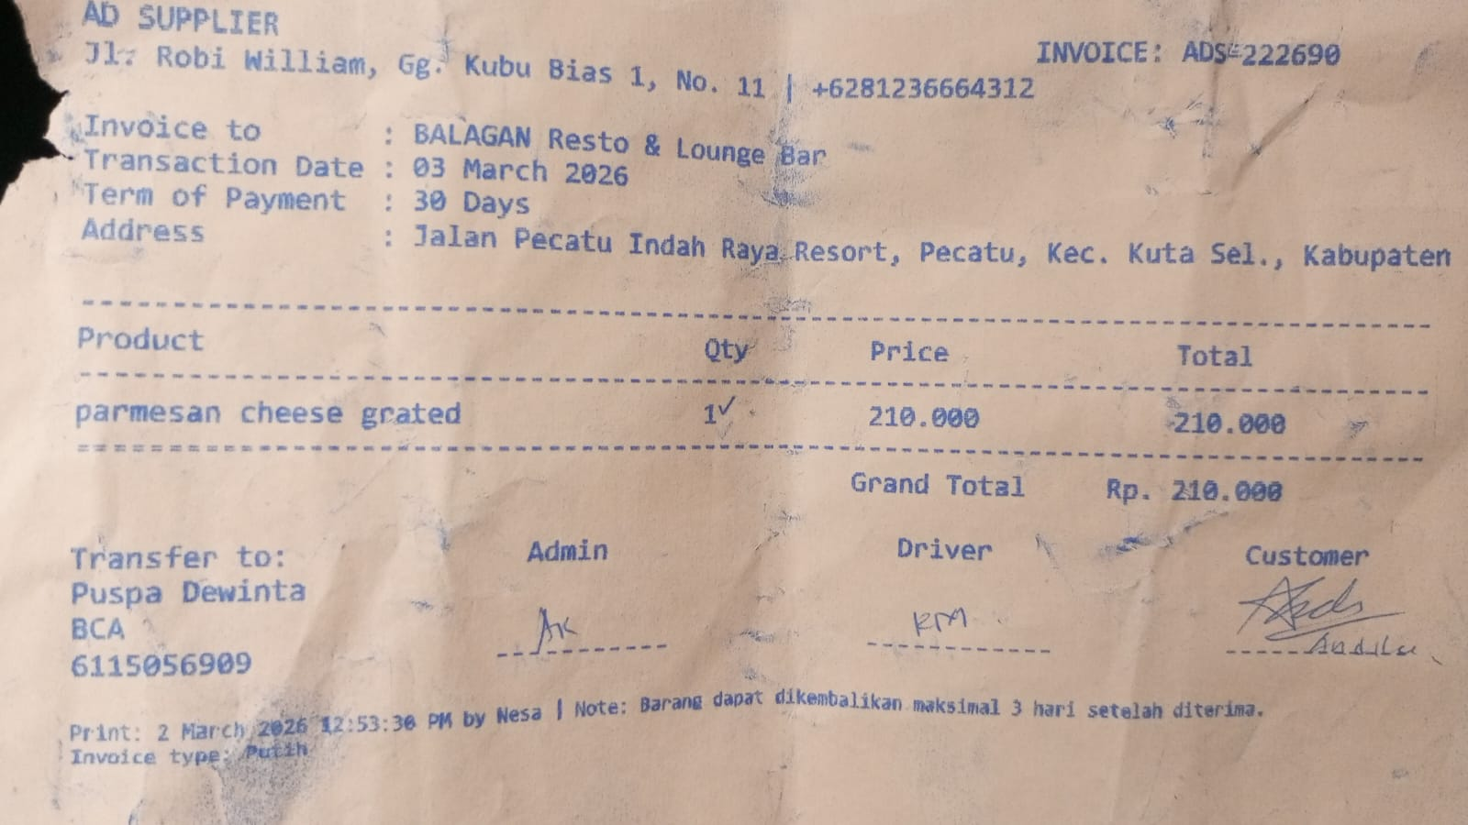
13-Mar-2026 | 13-Mar-2026 | ADS-226864 | BORGES EXTRA VIRGIN OIL 5 L | 1 | Rp1,300,000 | Rp1,300,000 | Rp1,300,000 | 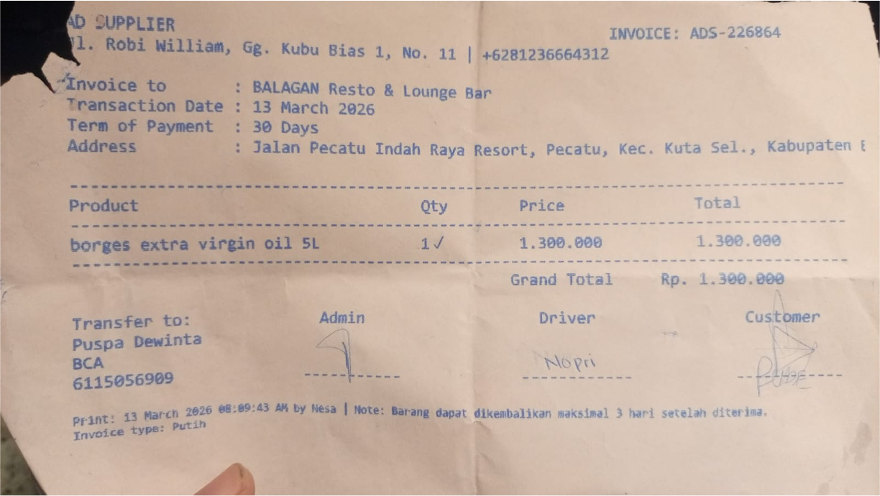
 | 13-Mar-2026 | ADS-226456 | MOZZARELLA CHEESE | 6.9 | Rp120,000 | Rp828,000 | Rp1,153,000
 |  |  | LA FONTE PASTA SPAGHETTI | 5 | Rp35,000 | Rp175,000
 |  |  | LA FONTE PASTA FETTUCINE | 3 | Rp30,000 | Rp90,000
 |  |  | LA FONTE PASTA RIGATI | 2 | Rp30,000 | Rp60,000
 | 13-Mar-2026 | ADS-226467 | OIL SOVIA | 2 | Rp360,000 | Rp720,000 | Rp720,000 | 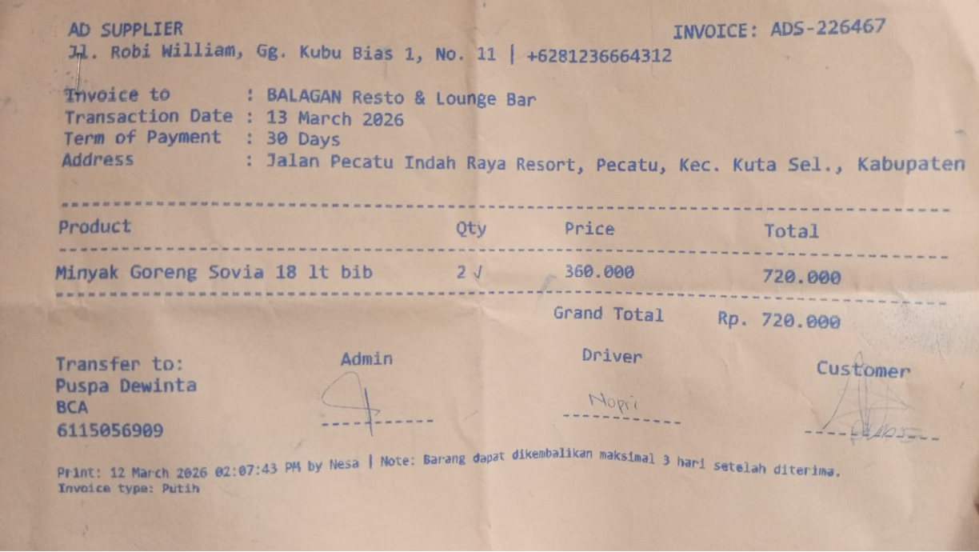
 | 13-Mar-2026 | ADS-226768 | CHEESE SLICE YELLOW (ANCHOR) | 1 | Rp180,000 | Rp180,000 | Rp180,000 | 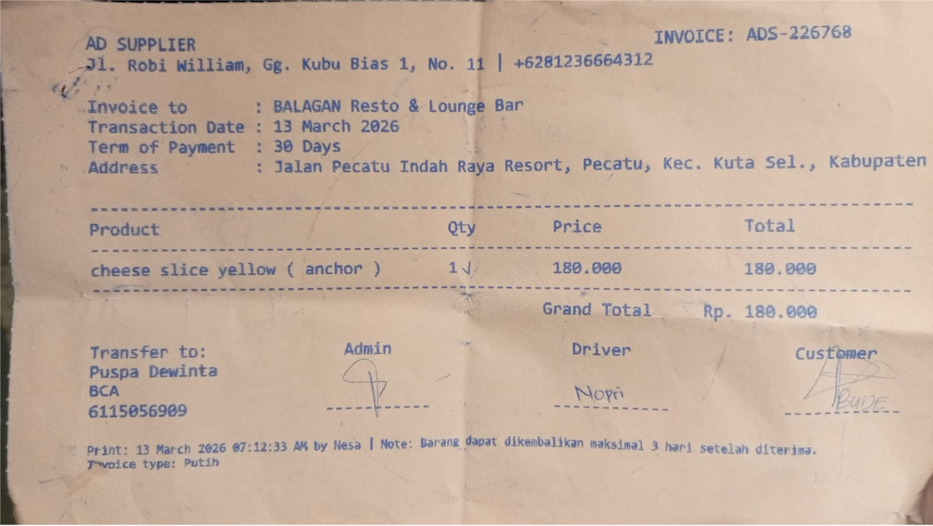
 | 24-Mar-2026 | ADS-229846 | OIL SOVIA 18 L BIB | 2 | Rp360,000 | Rp720,000 | Rp2,562,000 | 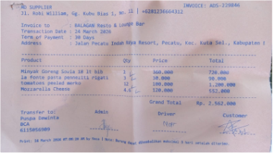
 |  |  | LA FONTE PASTA PENNEZITI RIGATI | 3 | Rp30,000 | Rp90,000
 |  |  | TOMATOES PEELED MERKO | 12 | Rp100,000 | Rp1,200,000
 |  |  | MOZZARELLA CHEESE | 4.6 | Rp120,000 | Rp552,000
 | 24-Mar-2026 | ADS-229850 | WHIP & COOKING ARLA | 3 | Rp90,000 | Rp270,000 | Rp270,000 | 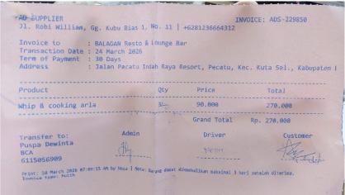

 |  |  |  |  |  |  | Rp8,405,000

